mu=1.0
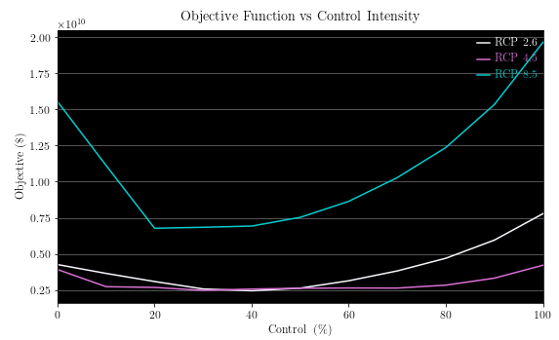
 | RCP 26 |  |  |  | RCP 45 |  |  |  | RCP 85
Control (%) | Objective | Damages | Costs | Infestation | Objective | Damages | Costs | Infestation | Objective | Damages | Costs | Infestation
0 | 4.26E+09 | 4.26E+09 | 0.00E+00 | 1.49E+08 | 3.92E+09 | 3.92E+09 | 0.00E+00 | 7.80E+07 | 1.55E+10 | 1.55E+10 | 0.00E+00 | 1.72E+08
10 | 3.65E+09 | 3.51E+09 | 1.44E+08 | 1.23E+08 | 2.73E+09 | 2.64E+09 | 8.69E+07 | 5.87E+07 | 1.11E+10 | 1.09E+10 | 2.51E+08 | 1.25E+08
20 | 3.09E+09 | 2.59E+09 | 4.97E+08 | 9.67E+07 | 2.68E+09 | 2.33E+09 | 3.52E+08 | 5.32E+07 | 6.77E+09 | 6.14E+09 | 6.33E+08 | 6.20E+07
30 | 2.58E+09 | 1.72E+09 | 8.57E+08 | 6.56E+07 | 2.47E+09 | 1.77E+09 | 7.00E+08 | 4.21E+07 | 6.84E+09 | 5.37E+09 | 1.47E+09 | 5.86E+07
40 | 2.45E+09 | 1.22E+09 | 1.23E+09 | 4.83E+07 | 2.57E+09 | 1.42E+09 | 1.15E+09 | 3.56E+07 | 6.93E+09 | 4.43E+09 | 2.49E+09 | 4.96E+07
50 | 2.63E+09 | 9.72E+08 | 1.66E+09 | 3.90E+07 | 2.62E+09 | 1.08E+09 | 1.54E+09 | 2.70E+07 | 7.53E+09 | 3.75E+09 | 3.78E+09 | 4.30E+07
60 | 3.14E+09 | 8.65E+08 | 2.28E+09 | 3.53E+07 | 2.64E+09 | 8.06E+08 | 1.84E+09 | 1.97E+07 | 8.64E+09 | 3.25E+09 | 5.39E+09 | 3.87E+07
70 | 3.82E+09 | 7.80E+08 | 3.04E+09 | 3.27E+07 | 2.64E+09 | 5.92E+08 | 2.04E+09 | 1.44E+07 | 1.03E+10 | 2.91E+09 | 7.37E+09 | 3.45E+07
80 | 4.70E+09 | 7.09E+08 | 3.99E+09 | 3.03E+07 | 2.84E+09 | 4.70E+08 | 2.37E+09 | 1.15E+07 | 1.24E+10 | 2.64E+09 | 9.72E+09 | 3.11E+07
90 | 5.95E+09 | 6.68E+08 | 5.29E+09 | 2.93E+07 | 3.32E+09 | 4.10E+08 | 2.91E+09 | 1.00E+07 | 1.53E+10 | 2.49E+09 | 1.28E+10 | 2.90E+07
100 | 7.78E+09 | 6.81E+08 | 7.10E+09 | 2.95E+07 | 4.21E+09 | 3.94E+08 | 3.82E+09 | 9.65E+06 | 1.96E+10 | 2.44E+09 | 1.72E+10 | 2.83E+07

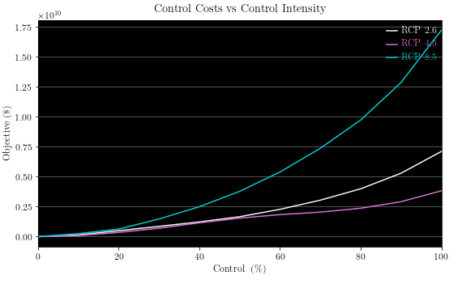
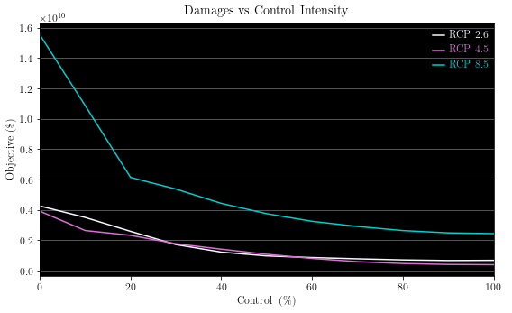

 |  |  |  |  |  |  |  |  |  |  |  |  |  |  | Based on the assumptions of the model, results suggest the current control effort of 80-100% may be economically inefficient. If a control program of 80-100% were to remain, then a transition to a relatively low carbon economy may result in greater control costs and damages because the environment will be better suited for MPB development

300 Iters
Climate Based Control
 |  | RCP 26 |  |  |  | RCP 45 |  |  |  | RCP 85 |  |  | Objective Values of Policy 1-3 relative to Policy 3 |  |  | Objective Values of Policy 1-3 relative to the RCP 8.5 (business as usual) scenario |  |  | 1. Holding the RCP scenario constant and contrasting each policy A control policy that is liberal , but adapt, is better than one which is conservative but adaptive 2. Holding Policy's Constant, Varying RCP If policymakers commit were to commit to one of the three climate based policies, then the greatest reductions in costs and damages is attained from the liberal and adaptive policy. 3. Relative to the constant control scenarios (TBD)
 | Objective | Damages | Costs | Infestations | Objective | Damages | Costs | Infestations | Objective | Damages | Costs | Infestations
Policy 1 | 3.22E+09 | 1.02E+09 | 2.20E+09 | 38620382 | 3.52E+09 | 1.19E+09 | 2.34E+09 | 28229875 | 9.13E+09 | 3.74E+09 | 5.39E+09 | 41748064
Policy 2 | 2.95E+09 | 8.23E+08 | 2.13E+09 | 33504003 | 2.42E+09 | 6.96E+08 | 1.72E+09 | 16541632 | 8.70E+09 | 3.04E+09 | 5.66E+09 | 35302324 | Relative To Policy 3 |  |  | Relative to RCP 8.5
Policy 3 | 2.93E+09 | 7.10E+08 | 2.22E+09 | 30417042 | 1.78E+09 | 4.50E+08 | 1.33E+09 | 10901026 | 8.13E+09 | 2.56E+09 | 5.57E+09 | 29281655 | 10 | 98 | 12 | -64.7 | -61.4 | N/A
 |  |  |  |  |  |  |  |  |  |  |  |  | 1 | 36 | 7 | -66.1 | -72.2 | N/A
 |  |  |  |  |  |  |  |  |  |  |  |  | N/A | N/A | N/A | -64.0 | -78.1 | N/A

RCP 2.6
 | 1 | 1 | 1
RCP 4.5
 | 1 | 1 | 1
RCP 8.5
 | 1 | 1 | 1

Scrap
q1 | 0.95 | alpha | 2
E | Y2 | y2' |  |  | E | y | Y
0 | 0 | 1 |  |  | 0 | 1 | 0
0.1 | 0.0095 | 0.9905 |  |  | 0.1 | 0.9512294245 | 0.048770575499
0.2 | 0.038 | 0.962 |  |  | 0.2 | 0.90483741804 | 0.095162581964
0.3 | 0.0855 | 0.9145 |  |  | 0.3 | 0.86070797643 | 0.13929202357
0.4 | 0.152 | 0.848 |  |  | 0.4 | 0.81873075308 | 0.18126924692
0.5 | 0.2375 | 0.7625 |  |  | 0.5 | 0.77880078307 | 0.22119921693
0.6 | 0.342 | 0.658 |  |  | 0.6 | 0.74081822068 | 0.25918177932
0.7 | 0.4655 | 0.5345 |  |  | 0.7 | 0.70468808972 | 0.29531191028
0.8 | 0.608 | 0.392 |  |  | 0.8 | 0.67032004604 | 0.32967995396
0.9 | 0.7695 | 0.2305 |  |  | 0.9 | 0.63762815162 | 0.36237184838
1 | 0.95 | 0.05 |  |  | 1 | 0.60653065971 | 0.39346934029

 |  |  |  | E | H
 |  |  |  | 0 | #DIV/0! |  |  | E | y
 |  |  |  | 0.1 | 8.5 |  |  | 0 | -1
 |  |  |  | 0.2 | 4.25 |  |  | 0.1 | -0.90483741804
 |  |  |  | 0.3 | 2.8333333333 |  |  | 0.2 | -0.81873075308
 |  |  |  | 0.4 | 2.125 |  |  | 0.3 | -0.74081822068
 |  |  |  | 0.5 | 1.7 |  |  | 0.4 | -0.67032004604
 |  |  |  | 0.6 | 1.4166666667 |  |  | 0.5 | -0.60653065971
 |  |  |  | 0.7 | 1.2142857143 |  |  | 0.6 | -0.54881163609
 |  |  |  | 0.8 | 1.0625 |  |  | 0.7 | -0.49658530379
 |  |  |  | 0.9 | 0.94444444444 |  |  | 0.8 | -0.44932896412
 |  |  |  | 1 | 0.85 |  |  | 0.9 | -0.40656965974
 |  |  |  |  |  |  |  | 1 | -0.36787944117

FunctionalForms
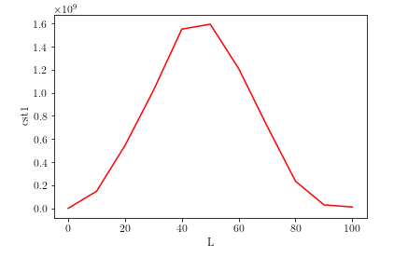
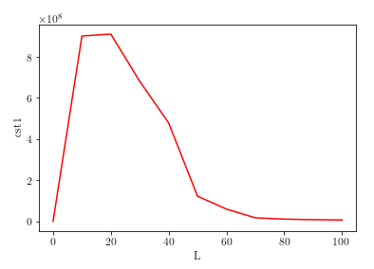
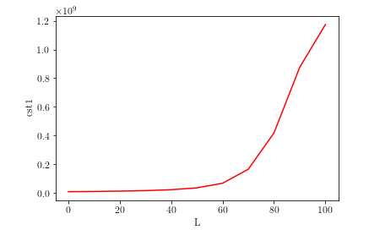
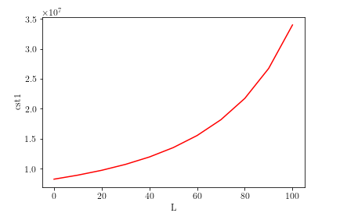
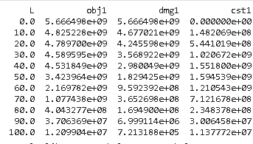
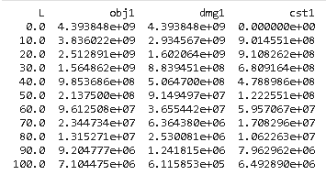
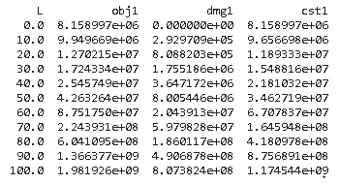
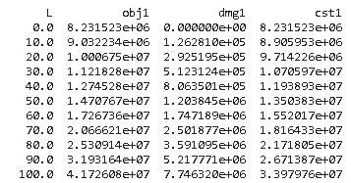
$$h\left(I,L\right)=e^{−L}$$
$$h\left(I,L\right)=e^{−0.5L}$$
$$h\left(I,L\right)=\left(0.85L^{2}\right)∗I$$
$$h\left(I,L\right)=0.85L^{0.80}$$

